ROCKFISH
 |  |  |  |  |  |  |  |  |  | 41,646
SAMPLE IMAGE | PRODUCT CODE | MAIN COLOUR PANTONE | TRIM COLOUR PANTONE | PATTERN | FABRIC | OUTSOLE | FEATURES | PACKAGING | SIZE UK/EU/USA | QTY | USD RETAIL PRICE
 | MJCLE-3-36 | LIME | ORANGE |  |  |  |  |  | 3/36/5 | 172 | USD 65.50
 | MJCLE-4-37 | 609c | 2007c |  |  |  |  |  | 4/37/6 | 716 | USD 65.50
 | MJCLE-5-38 |  |  | Gingham | Cotton | Rubber | Contrast gross-grain binding | Single Box | 5/38/7 | 793 | USD 65.50
 | MJCLE-6-39 |  |  | Check |  |  | Ribbon strap with dainty buckle | Tissue paper | 6/39/8 | 336 | USD 65.50
 | MJCLE-7-40 |  |  |  |  |  | Soft flexible outsole | Swing Tag | 7/40/9 | 84 | USD 65.50
 | MJCPK-3-36 | PINK | WATERMELON |  |  |  |  |  | 3/36/5 | 172 | USD 65.50
 | MJCPK-4-37 | 2445c | 493c |  |  |  |  |  | 4/37/6 | 716 | USD 65.50
 | MJCPK-5-38 |  |  | Gingham | Cotton | Rubber | Contrast gross-grain binding | Single Box | 5/38/7 | 795 | USD 65.50
 | MJCPK-6-39 |  |  | Check |  |  | Ribbon strap with dainty buckle | Tissue paper | 6/39/8 | 335 | USD 65.50
 | MJCPK-7-40 |  |  |  |  |  | Soft flexible outsole | Swing Tag | 7/40/9 | 84 | USD 65.50
 | MJCOE-3-36 | OLIVE | APPLE |  |  |  |  |  | 3/36/5 | 89 | USD 65.50
 | MJCOE-4-37 | 7750c | 7491c |  |  |  |  |  | 4/37/6 | 403 | USD 65.50
 | MJCOE-5-38 |  |  | Gingham | Cotton | Rubber | Contrast gross-grain binding | Single Box | 5/38/7 | 404 | USD 65.50
 | MJCOE-6-39 |  |  | Check |  |  | Ribbon strap with dainty buckle | Tissue paper | 6/39/8 | 114 | USD 65.50
 | MJCRL-3-36 | ROYAL | PRUSSIAN |  |  |  |  |  | 3/36/5 | 172 | USD 65.50
 | MJCRL-4-37 | 4150c | 2140c |  |  |  |  |  | 4/37/6 | 718 | USD 65.50
 | MJCRL-5-38 |  |  | Gingham | Cotton | Rubber | Contrast gross-grain binding | Single Box | 5/38/7 | 794 | USD 65.50
 | MJCRL-6-39 |  |  | Check |  |  | Ribbon strap with dainty buckle | Tissue paper | 6/39/8 | 336 | USD 65.50
 | MJCRL-7-40 |  |  |  |  |  | Soft flexible outsole | Swing Tag | 7/40/9 | 96 | USD 65.50
 | MJCNY-3-36 | NAVY | SAPPHIRE |  |  |  |  |  | 3/36/5 | 910 | USD 65.50
 | MJCNY-4-37 | 4144c | 2378c |  |  |  |  |  | 4/37/6 | 2,776 | USD 65.50
 | MJCNY-5-38 |  |  | Gingham | Cotton | Rubber | Contrast gross-grain binding | Single Box | 5/38/7 | 3,166 | USD 65.50
 | MJCNY-6-39 |  |  | Check |  |  | Ribbon strap with dainty buckle | Tissue paper | 6/39/8 | 1,309 | USD 65.50
 | MJCNY-7-40 |  |  |  |  |  | Soft flexible outsole | Swing Tag | 7/40/9 | 278 | USD 65.50
 | MJCBK-3-36 | BLACK | BLACK |  |  |  |  |  | 3/36/5 | 372 | USD 65.50
 | MJCBK-4-37 | 6c | 6c |  |  |  |  |  | 4/37/6 | 540 | USD 65.50
IMAGE NOT AVAILABLE | MJCBK-5-38 |  |  | Gingham | Cotton | Rubber | Contrast gross-grain binding | Single Box | 5/38/7 | 720 | USD 65.50
 | MJCBK-6-39 |  |  | Check | Poplin |  | Ribbon strap with dainty buckle | Tissue paper | 6/39/8 | 610 | USD 65.50
 | MJCBK-7-40 |  |  |  |  |  | Soft flexible outsole | Swing Tag | 7/40/9 | 268 | USD 65.50
IMAGE NOT AVAILABLE | MJCMD4 | MUSTARD |  |  |  |  |  |  |  | 1 | TBA

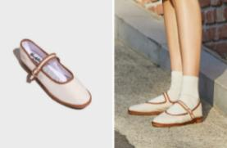
 | MJECM-3-36 | Cream | Brandy | Plain | Woven | Rubber | Contrast binding | Single Box | 3/36/5 | 1,027 | USD 65.50
 | MJECM-4-37 | 9226c | 7587c |  | Linen |  | Linen ribbon strap with dainty buckle | Tissue paper | 4/37/6 | 2,993 | USD 65.50
 | MJECM-5-38 |  |  |  |  |  | Soft & flexible rubber outsole |  | 5/38/7 | 3,597 | USD 65.50
 | MJECM-6-39 |  |  |  |  |  |  |  | 6/39/8 | 1,593 | USD 65.50
 | MJECM-7-40 |  |  |  |  |  |  |  | 7/40/9 | 428 | USD 65.50
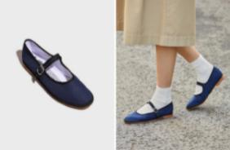
 | MJENY-3-36 | Navy | Dark Blue | Plain | Woven | Rubber | Contrast binding | Single Box | 3/36/5 | 305 | USD 65.50
 | MJENY-4-37 | 4144c | 532c |  | Linen |  | Linen ribbon strap with dainty buckle | Tissue paper | 4/37/6 | 850 | USD 65.50
 | MJENY-5-38 |  |  |  |  |  | Soft & flexible rubber outsole |  | 5/38/7 | 994 | USD 65.50
 | MJENY-6-39 |  |  |  |  |  |  |  | 6/39/8 | 447 | USD 65.50
 | MJENY-7-40 |  |  |  |  |  |  |  | 7/40/9 | 84 | USD 65.50
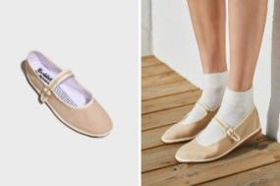
 | MJEBE-3-36 | BEIGE | Vanilla | Plain | Woven | Rubber | Contrast binding | Single Box | 3/36/5 | 538 | USD 65.50
 | MJEBE-4-37 | 4043c | 9224c |  | Linen |  | Linen ribbon strap with dainty buckle | Tissue paper | 4/37/6 | 1,529 | USD 65.50
 | MJEBE-5-38 |  |  |  |  |  | Soft & flexible rubber outsole |  | 5/38/7 | 1,885 | USD 65.50
 | MJEBE-6-39 |  |  |  |  |  |  |  | 6/39/8 | 932 | USD 65.50
 | MJEBE-7-40 |  |  |  |  |  |  |  | 7/40/9 | 219 | USD 65.50
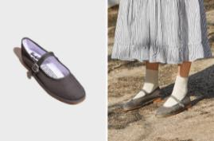
 | MJECL-3-36 | Charcoal | Grey | Plain | Woven | Rubber | Contrast binding | Single Box | 3/36/5 | 161 | USD 65.50
 | MJECL-4-37 | 4279c | 4195c |  | Linen |  | Linen ribbon strap with dainty buckle | Tissue paper | 4/37/6 | 694 | USD 65.50
 | MJECL-5-38 |  |  |  |  |  | Soft & flexible rubber outsole |  | 5/38/7 | 732 | USD 65.50
 | MJECL-6-39 |  |  |  |  |  |  |  | 6/39/8 | 326 | USD 65.50
 | MJECL-7-40 |  |  |  |  |  |  |  | 7/40/9 | 84 | USD 65.50
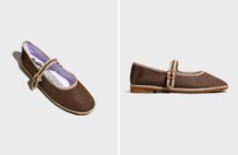
 | MJECE-3-36 | Chocolate | Caramel | Plain | Woven | Rubber | Contrast binding | Single Box | 3/36/5 | 85 | USD 65.50
 | MJECE-4-37 |  |  |  | Linen |  | Linen ribbon strap with dainty buckle | Tissue paper | 4/37/6 | 278 | USD 65.50
 | MJECE-5-38 | 7596c | 480c |  |  |  | Soft & flexible rubber outsole |  | 5/38/7 | 350 | USD 65.50
 | MJECE-6-39 |  |  |  |  |  |  |  | 6/39/8 | 198 | USD 65.50
 | MJECE-7-40 |  |  |  |  |  |  |  | 7/40/9 | 84 | USD 65.50
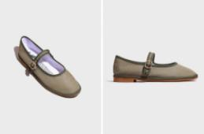
 | MJEAE-3-36 | Agave | Khaki | Plain | Woven | Rubber | Contrast binding | Single Box | 3/36/5 | 256 | USD 65.50
 | MJEAE-4-37 | 7536c | 4229c |  | Linen |  | Linen ribbon strap with dainty buckle | Tissue paper | 4/37/6 | 883 | USD 65.50
 | MJEAE-5-38 |  |  |  |  |  | Soft & flexible rubber outsole |  | 5/38/7 | 1,126 | USD 65.50
 | MJEAE-6-39 |  |  |  |  |  |  |  | 6/39/8 | 566 | USD 65.50
 | MJEAE-7-40 |  |  |  |  |  |  |  | 7/40/9 | 123 | USD 65.50

